ABOUT PUMAX
ABOUT PUMAX
Since 2017, AGHOLDS has been actively developing PU (Polyurethane) materials for climbing holds. By 2018, we successfully completed the development process and incorporated these materials into our climbing holds production. Our PU material offers numerous advantages, including high strength, impact resistance, lightweight properties, vibrant colors, and eco-friendliness.
After five years, PUMAX, our innovative polymer compound material created in collaboration with the National Institute of New Materials, will make its debut in AGHOLDS' new climbing holds production in 2023.

COLOR SAMPLE
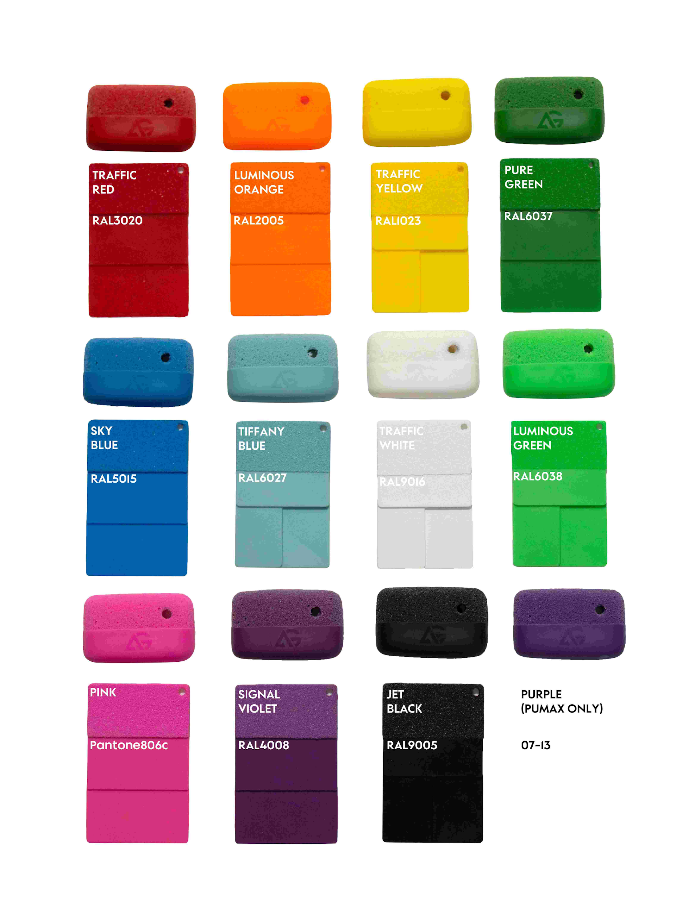

Technical Specification Sheet
HOLDS 攀岩点(PUMAX)
Always use all available fixation points.
必须使用所有可用的固定点。
With central bolt hole: fix with M10 bolt.
带中心螺栓孔: 使用 M10 螺栓固定。
Without central bolt hole: use all screw holes
无中心螺栓孔: 使用所有螺钉孔。
PUMAX holds are bendable and can be mounted on slightly uneven surfaces
PUMAX 岩点具有可弯曲性,可安装在轻微不平整的表面。
PUMAX products allow drilling for additional screw holes if required by route setting.
PUMAX产品允许钻孔，根据线路需求增加螺钉孔。
Overlay holds may be attached on top of PUMAX holds.
PUMAX岩点上可叠加安装其他攀岩点。
MACROS 造型支点
Must use allspecified fixation points
必须使用所有设计的固定点。
ABSmacros are flexible, but not recommended on uneven surfaces
ABS造型支点有一定柔性,但不建议安装在不平整表面。
Macros can also be overlaid onto other flat products such as large macros or plywood volumes.
造型支点也可以叠加安装在其他平整的产品表面,如大型造型支点或木质造型点。
PLYWOOD VOLUMES 木质造型
All fixing points must be used.
必须使用所有固定孔。
Wal contact must be flat and full-surface.
与墙体接触必须平整且全面接触。
Do not mount on concave/convex surfaces.
禁止安装在凹/凸面墙体。
STORAGE存储
Store in dry,ventilated areas, avoid UV exposure
存放在干燥通风的环境中,避免阳光直射。
Temperature:-20'C to 40°C.
温度范围:-20°℃ 至 40°℃。
Do not store under pressure ortension
禁止在受压或受力状态下存放。
MAINTENANCE&WASHING 维护与清洁
Inspect regularly before and after each use
每次使用前后必须定期检查。
Replace damaged holds immediately (cracks, sharp edges, loose inserts)
如发现裂纹、锐角或松动嵌件,必须立即更换。
Do not soak or immerse.
禁止浸泡攀岩点。
High-pressure cleaning: keep ≥50 cm distance.
高压清洗时保持 大于等于≥50cm 距离。
Do not use aggressive chemicals unless approved by AGHOLDS
禁止使用未经 AGHOLDS 认可的强力化学清洁剂。
Technical Specification Sheet

